Referring to_Range_Cells
Referring to Ranges & Writing to Cells (Range, Cells, Offset, Names)
video

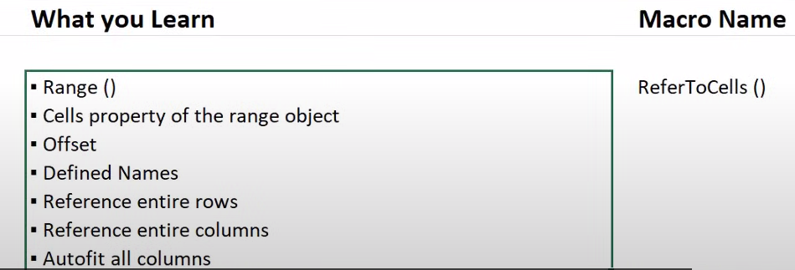

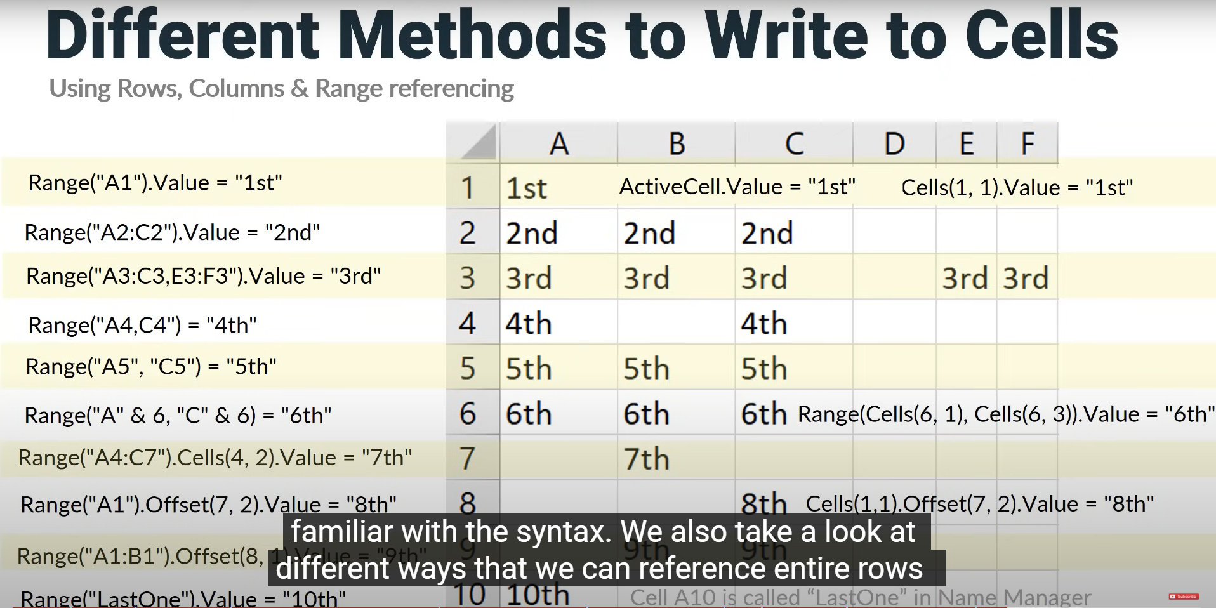
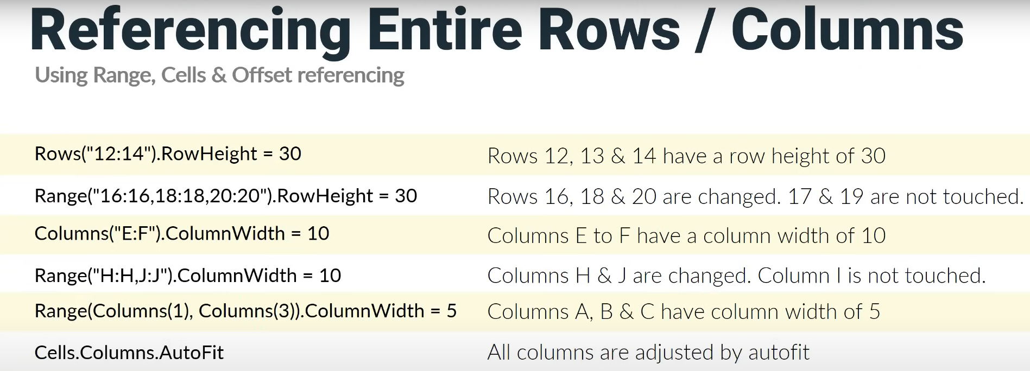

.

VBA Debugging
A Guide to VBA Debugging Techniques
video

--- Syntax Errors
--- Compile Errors
--- Explicit Statements
--- Run-time Errors
--- Stepping through code
--- Setting a Breakpoint
--- Debugging Using the Watch Window
--- View Locals Window
--- Conclusion

How to Debug a Macro in Excel - Tutorial
video

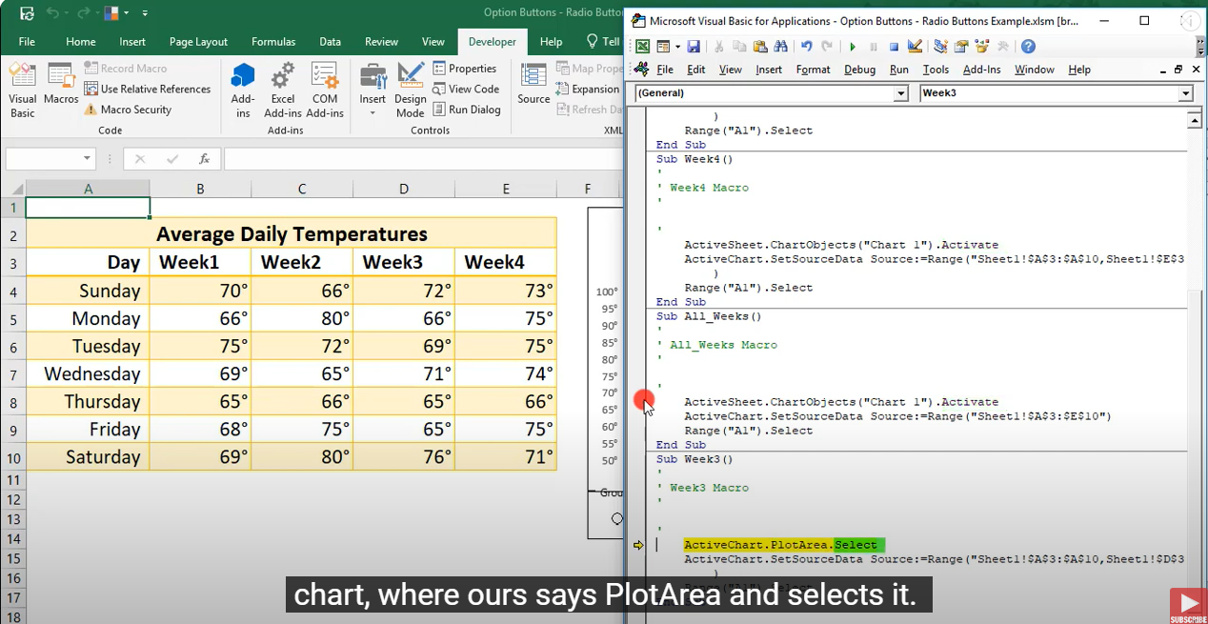

Excel VBA - Debugging
video

Master VBA Debugging
video

--- What is Debugging
--- Simple Debug Example
--- The Debug Toolbar
--- The Local Window
--- The Watch Window
--- Tips for Debugging Ranges
--- Watch Window: Divide Conquer
--- Step Intro/Over/Out
--- Run to Cursor
--- Set Next Statement
--- The Call Stack
--- Show Next Statement
--- Break in a loop
--- Tha Sandbox Method
--- Real-World Example

Funktsioon
F1= | 0,2sin2x

F2 = { | x3 | kui x < 1
 | ln(x) | kui x>=1

x0= | -4 | samm= | 0.5 | n= | 49

x | Fun1 | Fun2
-4.00 | 0.11 | -64.00
-3.50 | 0.02 | -42.88
-3.00 | 0.00 | -27.00
-2.50 | 0.07 | -15.63
-2.00 | 0.17 | -8.00
-1.50 | 0.20 | -3.38
-1.00 | 0.14 | -1.00
-0.50 | 0.05 | -0.13
0.00 | 0.00 | 0.00
0.50 | 0.05 | 0.13
1.00 | 0.14 | 0.00
1.50 | 0.20 | 0.41
2.00 | 0.17 | 0.69
2.50 | 0.07 | 0.92
3.00 | 0.00 | 1.10
3.50 | 0.02 | 1.25
4.00 | 0.11 | 1.39
4.50 | 0.19 | 1.50
5.00 | 0.18 | 1.61
5.50 | 0.10 | 1.70
6.00 | 0.02 | 1.79
6.50 | 0.01 | 1.87
7.00 | 0.09 | 1.95
7.50 | 0.18 | 2.01
8.00 | 0.20 | 2.08
8.50 | 0.13 | 2.14
9.00 | 0.03 | 2.20
9.50 | 0.00 | 2.25
10.00 | 0.06 | 2.30
10.50 | 0.15 | 2.35
11.00 | 0.20 | 2.40
11.50 | 0.15 | 2.44
12.00 | 0.06 | 2.48
12.50 | 0.00 | 2.53
13.00 | 0.04 | 2.56
13.50 | 0.13 | 2.60
14.00 | 0.20 | 2.64
14.50 | 0.17 | 2.67
15.00 | 0.08 | 2.71
15.50 | 0.01 | 2.74
16.00 | 0.02 | 2.77
16.50 | 0.10 | 2.80
17.00 | 0.18 | 2.83
17.50 | 0.19 | 2.86
18.00 | 0.11 | 2.89
18.50 | 0.02 | 2.92
19.00 | 0.00 | 2.94
19.50 | 0.07 | 2.97
20.00 | 0.17 | 3.00
20.50 | 0.20 | 3.02

liikumine_tabelis
For i=1 to n
For j=1 to m
...
Next j
Next i
n | m | i | j
2 | 5 | 2 | 5

36.22334671 | 70.405426025 | 18.41211319 | 5.5748581886 | 35.962413788
39.142791748 | 13.281351089 | 70.494194031 | 45.102149963 | 3.8052022457

For j=1 to m
For i=1 to n
...
Next i
Next j

